Jajjikari cafe
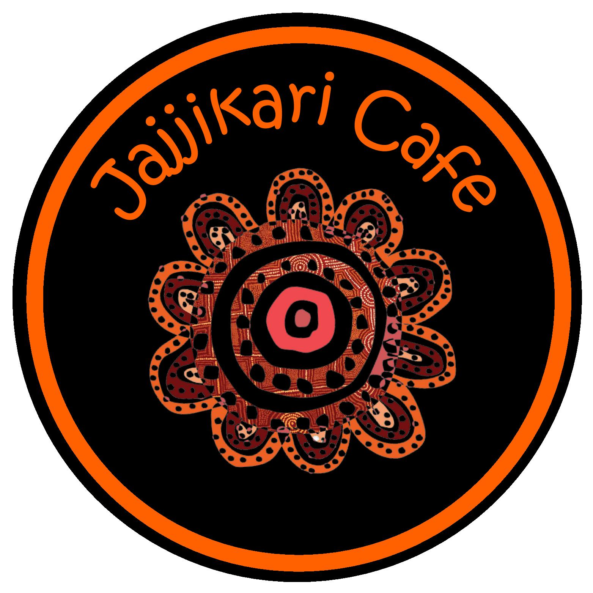
Jajjikari Café Catering sheet
Jajjikari.cafe@julalikari.com.au
Please ensure when choosing items in the Morning Tea, Lunch and Afternoon Tea sections that you put a number in the order QTY coloum (minimum 10 people). Jajjikari cater for a minimun of (10) people. Once you have completed the order form, scroll down to the bottom and you will find the quote amount for your catering session. (PLEASE NOTE* Jajjikari catering needs to be picked up from 13 Paterson Street) back gate entrance. You can call us on 89632155 if you need assistance.
Company Name:
Contact Name/ Number:
Number of people:
Date:
Catering Dates:

Morning tea comes with seasonal fruit platter, please choose one additional option below (min 10 people) | PRICE | ORDERED QTY | TOTAL AMOUNT
Homemade scones with whipped cream and jam (VG) | $15.00 |  | $-
Croissants with fillings of your choice: Cheese & Tomato (VG) | $15.00 |  | $-
Croissants with fillings of your choice: Ham & Cheese | $15.00 |  | $-
Croissants with fillings of your choice: Ham, Cheese & Tomato | $15.00 |  | $-
Chefs choice homemade sweeet muffins (VG) | $15.00 |  | $-
Chefs choice homemade savoury muffins (VG) | $15.00 |  | $-
Chefs choice homemade savoury muffins | $15.00 |  | $-
Hommade Quiche only | $15.00 |  | $-
Hommade Quiche only(VG) | $15.00 |  | $-
Assorted sandwiches | $15.00 |  | $-
Assorted danished (VG) | $15.00 |  | $-
Additional items, please choose one option (min 10 people)
Homemade scones with whipped cream and jam (VG) | $3.50 |  | $-
Croissants with fillings of your choice: Cheese & Tomato (VG) | $3.50 |  | $-
Croissants with fillings of your choice: Ham & Cheese | $3.50 |  | $-
Croissants with fillings of your choice: Ham, Cheese & Tomato | $3.50
Chefs choice homemade sweeet muffins (VG) | $3.50 |  | $-
Chefs choice homemade savoury muffins (VG) | $3.50 |  | $-
Chefs choice homemade savoury muffins | $3.50 |  | $-
Hommade Quiche only | $3.50 |  | $-
Hommade Quiche only(VG) | $3.50 |  | $-
Assorted sandwiches | $3.50 |  | $-
Damper with butter and Jam | $3.50 |  | $-
Assorted danished (VG) | $3.50 |  | $-
PLESASE INDICATE THE DATE/TIME YOU WOULD LIKE YOUR MORNING TEA TO BE PICKED UP HERE:
Lunch come with Assorted danishes- Please choose one additional option below for (minimum 10 people)
Individually packed Roast chicken, house salad and homemade damper | $25.50 |  | $-
Vegetarian Lasagana, House salad and Damper | $25.50 |  | $-
Beef Lasagana, House salad and Damper | $25.50 |  | $-
Creamy Chicken Mushroom and Pinenut Lasagana, House Salad and Damper | $25.50 |  | $-
Home Made Quiche and Salad | $19.50 |  | $-
Home Made Quiche and Salad (VG) | $19.50 |  | $-
Curry Kangaroo with rice | $25.50 |  | $-
Ox Tail Hot Pot with veggies, damper and steam rice | $25.50 |  | $-
Curry chicken with rice | $25.50 |  | $-
Additional items, please choose one option (min 10 people)
Homemade scones with whipped cream and jam (VG) | $3.50 |  | $-
Croissants with fillings of your choice: Cheese & Tomato (VG) | $3.50 |  | $-
Croissants with fillings of your choice: Ham & Cheese | $3.50 |  | $-
Croissants with fillings of your choice: Ham, Cheese & Tomato | $3.50 |  | $-
Chefs choice homemade sweeet muffins (VG) | $3.50 |  | $-
Chefs choice homemade savoury muffins (VG) | $3.50 |  | $-
Chefs choice homemade savoury muffins | $3.50 |  | $-
Seasonal Fruit platter | $3.50
Hommade Quiche only | $3.50 |  | $-
Hommade Quiche only(VG) | $3.50 |  | $-
Assorted sandwiches | $3.50 |  | $-
Damper with butter and Jam | $3.50 |  | $-
Assorted danished (VG) | $3.50 |  | $-
PLESASE INDICATE THE TIME YOU WOULD LIKE YOUR LUNCH TO BE PICKED UP HERE:
Afternoon tea comes with Fruit Platter (min 10 people)
Chiefs Choice Whole Homemade Baked Cheese cake | $15.00 |  | $-
Whole Carrott Cake | $15.00 |  | $-
Grannysmith Apple & Wattleseed Tea Cake | $15.00 |  | $-
Additional items, please choose one option (min 10 people)
Homemade scones with whipped cream and jam (VG) | $3.50 |  | $-
Croissants with fillings of your choice: Cheese & Tomato (VG) | $3.50 |  | $-
Croissants with fillings of your choice: Ham & Cheese | $3.50 |  | $-
Croissants with fillings of your choice: Ham, Cheese & Tomato | $3.50 |  | $-
Chefs choice homemade sweeet muffins (VG) | $3.50 |  | $-
Chefs choice homemade savoury muffins (VG) | $3.50 |  | $-
Chefs choice homemade savoury muffins | $3.50 |  | $-
Hommade Quiche only | $3.50 |  | $-
Hommade Quiche only(VG) | $3.50 |  | $-
Assorted sandwiches | $3.50 |  | $-
Damper with butter and Jam | $3.50 |  | $-
Assorted danished (VG) | $3.50 |  | $-
PLESASE INDICATE THE TIME YOU WOULD LIKE YOUR AFTERNOON TEA TO BE PICKED UP HERE:
Chiefs Choice Whole Homemade Baked Cheese cake | $55.00 |  | $-
Whole Carrott Cake | $55.00 |  | $-
Grannysmith Apple & Wattleseed Tea Cake | $45.00 |  | $-
PLESASE INDICATE THE TIME YOU WOULD LIKE YOUR CAKE TO BE PICKED UP HERE:
 |  | Toal (exc gst) | $-
 |  | GST | $-
Dietry requirements: |  | Total (inc gst) | $-
Please advise if you have any dietry requirements.

